Report
Test Case Report
Product Name - | Unimass Holdings Limited
Module Name - | User Interface (UI) |  |  |  |  | Total No. | Status
Test Case Written By - | Israt Jahan |  |  |  |  | 0 | PASS
Reviewed By - | Genie InfoTech |  |  |  |  | 12 | FAIL
Browser (tested) - | Google Chrome |  |  |  |  | 0 | Not Executed
 |  |  |  |  |  | 0 | Out of Scope
Test Execution Report

Test Case | PASS | FAIL | Not Executed | Out Of Scope | Total TC
 | 0 | 12 | 0 | 0 | 12
Grand Total | 0 | 12 | 0 | 0 | 12

Test Case Report

MindMap
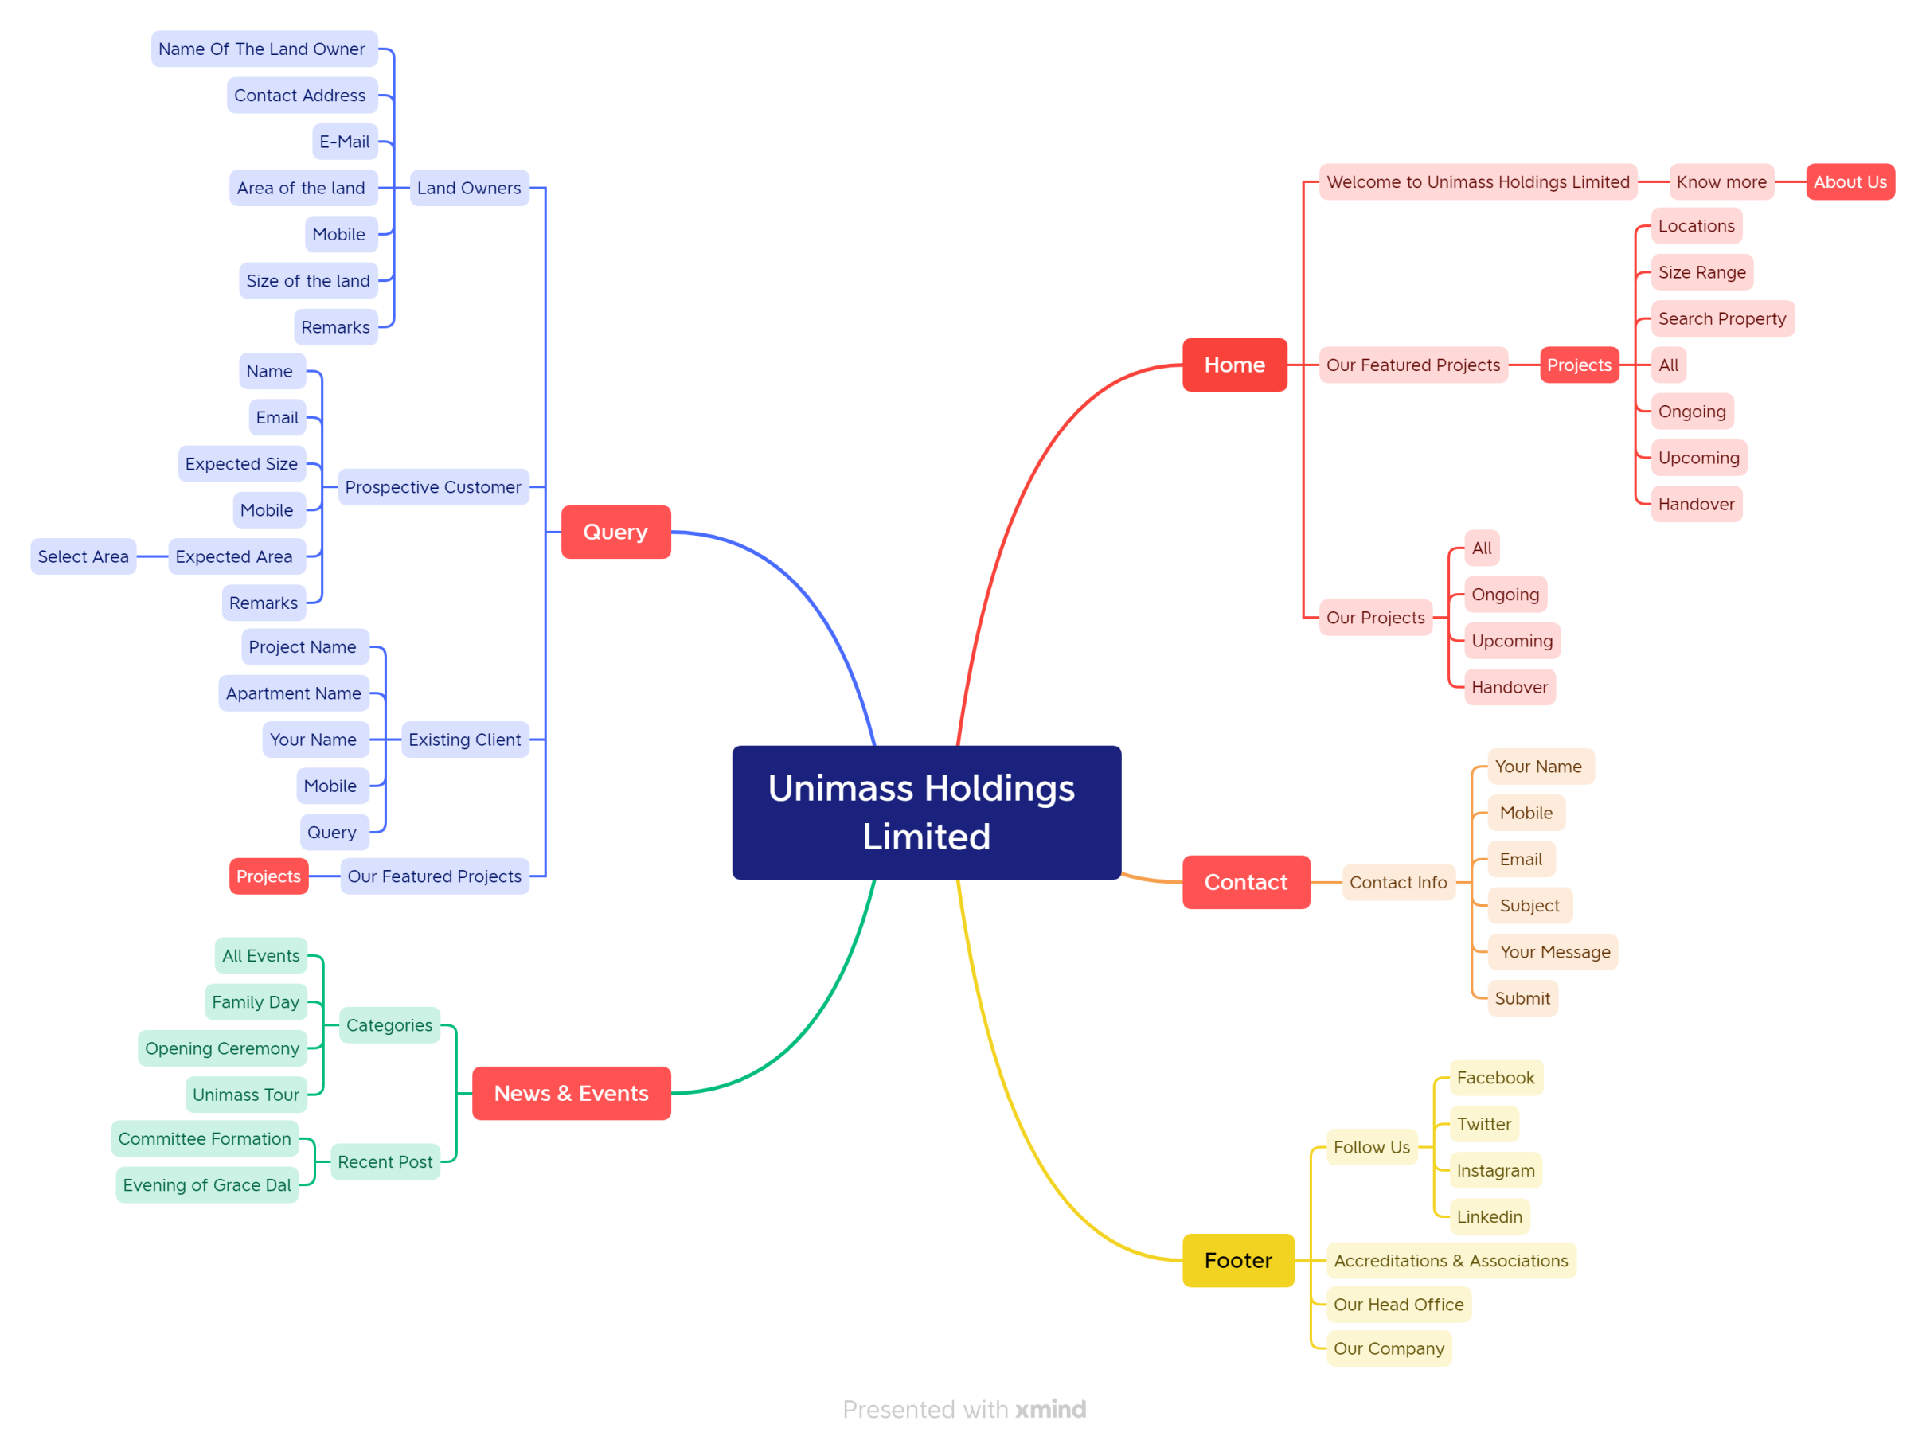
MindMap

